2023
Annual tax 2023

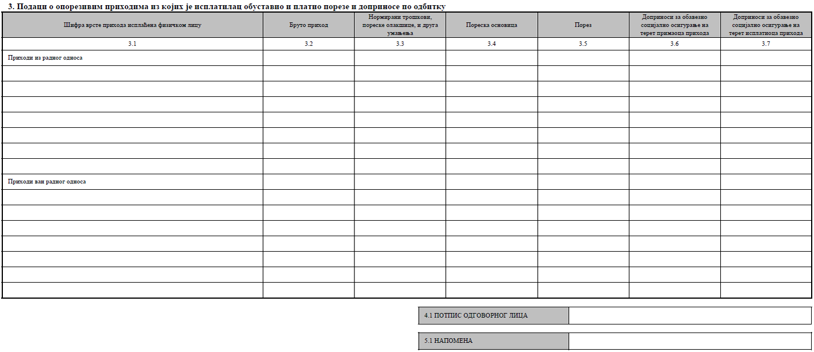
 |  |  | PPDG-2P form field number | PPP- PO form field number
Salary (Employment Contract)
Taxable salary (tax base) |  | 0 | 3.1.1. | 3.4 from PPP PO 2023
Tax and Contributions on behalf of an employee |  | 0 | 3.1.2. | 3.5 + 3.6 from PPP PO 2023
for the calculation of the annual tax |  | 0

Other income (Service Contract, free lance contract, autorship contract, BoD membership, etc.)
Taxable income (tax base) |  | 0 | from 3.2 to 3.4 | 3.4 from PPP PO 2023
Tax and Contributions |  | 0 | from 33. to 3.4 | 3.5 + 3.6 from PPP PO 2023
for the calculation of the annual tax |  | 0

Taxable income that is paid in another country (certificate of competent authority is mandatory) |  |  |  | Certificate
Taxable income (tax base) |  | 0 | 3.5.1 or 3.5.3 or 3.5.4
Tax and Contributions |  | 0 | 3.52. or 3.54. or 3.5.5
for the calculation of the annual tax |  | 0
Refund amount of Contributions |  |  | 3.6
sum of decrease |  | 0 | 3.7
Decrease of personal net income for taxpayers younger than 40 years |  |  | 3.8 | deduction 3x average annual salary
Sum of all decreases |  | 0 | 3.9

Income |  | 0 | 3.10. |  | 75296
 |  |  |  |  | 72350
1. Total |  | 0 | 3.10. |  | 74945
2.Non-taxable amount 2023(3x average annual salary) |  | 0 | 3.11. |  | 75441
3. Taxable income |  | 0 | 3.13. |  | 76511
4. Personal deductions |  | 569,275 | 3.13. |  | 74009
Number of dependant family members | 0 |  |  | fill number of dependant family number | 76056
- for the taxpayer | 569,275 | 569,275 | 3.13.1. |  | 74768
- for dependant family members | 213,478 | 0 | 3.13.2. | birth certificate for kids, unemployment certificate… | 74160
5. Taxable income |  | 0 | 3.14. |  | 76096
6. 6x average annual salary |  | 8,539,128 |  |  | 77879
7. Taxable income (tax base) @ 10% |  | 0 | 3.14.1. |  | 82257
8. Taxable income (tax base) @ 15% |  | 0 | 3.14.2.
9. Tax liability @ 10% | 7x10% | 0 | 3.15.
10. Tax liability @ 15% | 8x15% | 0 | 3.16.
11 Total tax liability | 10+11 | 0 | 3.17.

Average annual salary in Republic Serbia in 2023 | 1,423,188

